Software reqs
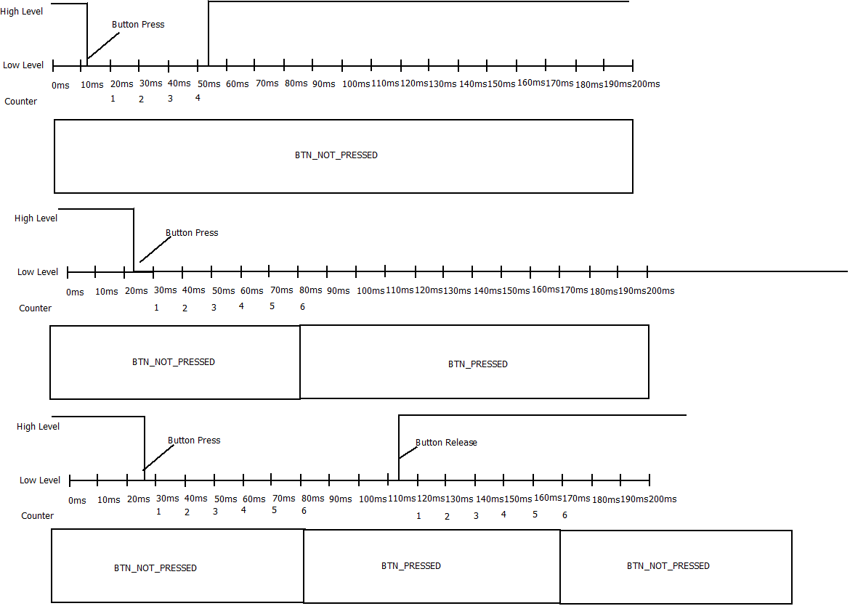
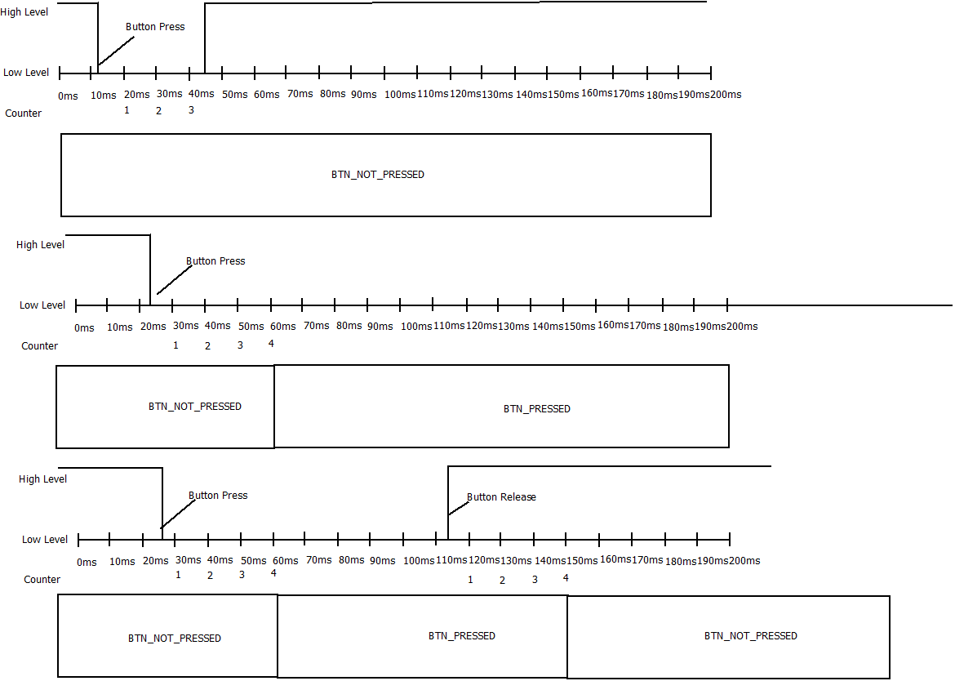
 |  |  |  |  | SW Requirements | SW Architecture |  |  | SW Design | SW Code | SW Unit Testing | SW Integration Testing | SW Validation Testing
Program |  |  |  | Name of the project
Reference Documents |  |  |  | Reference documents
Reviewed by |  |  |  | Name(s) of the reviwers |  |  | Design Traceability

 | Id | Type | Section | Requirements |  |  | Documen/ section | Review Comment
 | DCU_SWR_1 | Functional | Door Locking - Manual | When LOCK_BTN of the DCU transitions from BTN_NOT_PRESSED to BTN_PRESSED then LOCK_DOOR_ACTUATION shall be executed |  |  | SDD_DoorApp/5.4
 | DCU_SWR_2 | Functional | Door Locking - Manual | When UNLOCK_BTN of the DCU transitions from BTN_NOT_PRESSED to BTN_PRESSED then UNLOCK_DOOR_ACTUATION shall be executed. |  |  | SDD_DoorApp/5.4
 | DCU_SWR_3 | Functional | Door Locking - Manual | If both Buttons LOCK_BTN and UNLOCK_BTN are pressed then the operation shall not be executed. |  |  | SDD_DoorApp/5.4
 | DCU_SWR_4 | Functional | Door Locking - Manual | If both Buttons LOCK_BTN and UNLOCK_BTN are not pressed then no action shall be done. |  |  | SDD_DoorApp/5.4
 | DCU_SWR_8 | Functional | Door Locking - Remote | If signal BCM_2.ConfortCmd transitions from No Cmd to UnlockDrvrCmd then Driver Door shall execute UNLOCK_DOOR_ACTUATION |  |  | SDD_DoorApp/5.5
 | DCU_SWR_9 | Functional | Door Locking - Remote | If signal BCM_2.ConfortCmd transitions from No Cmd to UnlockAllCmd then DCU shall execute UNLOCK_DOOR_ACTUATION |  |  | SDD_DoorApp/5.5
 | DCU_SWR_10 | Functional | Door Locking - Remote | If signal DCU_1.LockingReq transitions from NO_LOCKING_REQ to LOCK_REQ then Passenger Door shall execute LOCK_DOOR_ACTUATION |  |  | SDD_DoorApp/5.6
 | DCU_SWR_11 | Functional | Door Locking - Remote | If signal DCU_1.LockingReq transitions from NO_LOCKING_REQ to UNLOCK_REQ Passenger Door shall execute UNLOCK_DOOR_ACTUATION |  |  | SDD_DoorApp/5.6
 | DCU_SWR_12 | Functional | Door Locking - Remote | If signal DCU_1.LockingReq transitions from NO_LOCKING_REQ to LOCK_REQ then RearLeft Door shall execute LOCK_DOOR_ACTUATION |  |  | SDD_DoorApp/5.6
 | DCU_SWR_13 | Functional | Door Locking - Remote | If signal DCU_1.LockingReq transitions from NO_LOCKING_REQ to UNLOCK_REQ then RearLeft Door shall execute UNLOCK_DOOR_ACTUATION |  |  | SDD_DoorApp/5.6
 | DCU_SWR_14 | Functional | Door Locking - Remote | If signal DCU_1.LockingReq transitions from NO_LOCKING_REQ to LOCK_REQ then RearRightDoor shall execute LOCK_DOOR_ACTUATION |  |  | SDD_DoorApp/5.6
 | DCU_SWR_15 | Functional | Door Locking - Remote | If signal DCU_1.LockingReq transitions from NO_LOCKING_REQ to UNLOCK_REQ RearRightDoor shall execute UNLOCK_DOOR_ACTUATION |  |  | SDD_DoorApp/5.6
 | DCU_SWR_16 | Functional | Door Locking - Remote | If signal DCU_2.LockingReq transitions from NO_LOCKING_REQ to LOCK_REQ then RearLeft Door shall execute LOCK_DOOR_ACTUATION |  |  | SDD_DoorApp/5.6
 | DCU_SWR_17 | Functional | Door Locking - Remote | If signal DCU_2.LockingReq transitions from NO_LOCKING_REQ to UNLOCK_REQ then RearLeft Door shall execute UNLOCK_DOOR_ACTUATION |  |  | SDD_DoorApp/5.6
 | DCU_SWR_18 | Functional | Door Locking - Remote | If signal DCU_2.LockingReq transitions from NO_LOCKING_REQ to LOCK_REQ then RearRightDoor shall execute LOCK_DOOR_ACTUATION |  |  | SDD_DoorApp/5.6
 | DCU_SWR_19 | Functional | Door Locking - Remote | If signal DCU_2.LockingReq transitions from NO_LOCKING_REQ to UNLOCK_REQ then RearRightDoor shall execute UNLOCK_DOOR_ACTUATION |  |  | SDD_DoorApp/5.6
 | DCU_SWR_26 | Functional | Door Locking - Status Report | When UNLOCK_BTN of the DCU transitions from BTN_NOT_PRESSED to BTN_PRESSED Driver Door shall transmit signal DCU_1.LockingReq with a value equal to 0x02 (UNLOCK_REQ) once then Driver Door shall set DCU_1.LockingReq back to 0x00 (NO_LOCKING_REQ) and keep it like this as long as there is no lock/unlock request from LOCK_BTN/UNLOCK_BTN. |  |  | SDD_DoorApp/5.7
 | DCU_SWR_27 | Functional | Door Locking - Status Report | When LOCK_BTN of the DCU transitions from BTN_NOT_PRESSED to BTN_PRESSED Passenger Door shall transmit signal DCU_2.LockingReq with a value equal to 0x01 (LOCK_REQ) once then Driver Door shall set DCU_2.LockingReq back to 0x00 (NO_LOCKING_REQ) and keep it like this as long as there is no lock/unlock request from LOCK_BTN/UNLOCK_BTN. |  |  | SDD_DoorApp/5.8
 | DCU_SWR_28 | Functional | Door Locking - Status Report | When UNLOCK_BTN of the DCU transitions from BTN_NOT_PRESSED to BTN_PRESSED Passenger Door shall transmit signal DCU_2.LockingReq with a value equal to 0x02 (UNLOCK_REQ) once then Driver Door shall set DCU_2.LockingReq back to 0x00 (NO_LOCKING_REQ) and keep it like this as long as there is no lock/unlock request from LOCK_BTN/UNLOCK_BTN. |  |  | SDD_DoorApp/5.7
 | DCU_SWR_29 | Functional | Door Locking - Auto Lock | If at least one of the DoorLockSts (from DCU_1, DCU_2, DCU_3 and DCU_4) is equal to DOOR_UNLOCK and Vehicle Speed indicates equal or greater than 20km/h and System Power Mode is equal to RUN then Driver Door shall report command LockingReq as LOCK_REQ. |  |  | SDD_DoorApp/5.9
 | DCU_SWR_147 | Functional | HW Diag | In case Door Lock is considered as ERROR then Door Locking functionality shall be disable until next power cycle. (Transition OFF-> RUN) |  |  | SDD_DoorApp/5.10
 | DCU_SWR_148 | Functional | HW Diag | In case a Button is considered as Stuck, that button shall be ignore until next power Cycle (Transition OFF-> RUN) |  |  | SDD_WindowApp/5.12 & SDD_DoorApp/5.10

